22. HK - CHEMICALS
Summary OSE Cost Plan
 |  |  |  |  |  |  |  |  |  |  |  | 0
NO | ITEM | ITEM | ITEM | ITEM | UNIT QTY | PAR | SPARE | TOTAL QTY | QUOTATION 01 - NAME (VND, before tax) | TOTAL AMOUNT 01 | QUOTATION 02 - NAME (VND, before tax) | TOTAL AMOUNT 02 | QUOTATION 03 - NAME (VND, before tax) | TOTAL AMOUNT 03
 | CHEMICALS
#REF! | OP MORNING BREEZE 2x2L – Nước xịt thơm phòng (Air Freshener) 🌿 | 2x2 LT Dilution: 16ml/Lt Amount to be decided later | 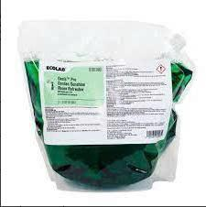 | Ecolab | 5 | 1.0 |  | 5 | 500,000
#REF! | MIRAGLO – Nước lau kính 🪟 | 3,8L Dilution: 100ml/Lit Amount to be decided later |  | Ecolab | 10 | 1.0 |  | 10 | 700,000
#REF! | FUTURE DC – Hóa chất lau đa năng 🧴 | 3,8L Dilution: 6ml/Lt Amount to be decided later |  | Ecolab | 15 | 1.0 |  | 15 | 600,000
#REF! | FLOORDRESS T500 – Hóa chất phủ bóng sàn | 10Lt. Dilution: 20ml/Lt Amount to be decided later |  | Ecolab | 2 | 1.0 |  | 2
#REF! | FLOORDRESS T510 – Hóa chất giặt thảm (máy giặt thảm phun hút) | 10Lt. Dilution: 20ml/Lt Amount to be decided later | 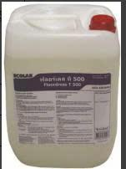 | Ecolab | 2 | 1.0 |  | 2
#REF! | LEMON-EZE – Kem tẩy rửa đa năng (dạng kem) 🍋 | 12x32Oz. Directly Amount to be decided later | 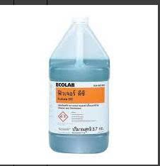 | Ecolab | 2 | 1.0 |  | 2
#REF! | CARESTRIP NR – Hóa chất bóc lớp phủ sàn (tẩy lớp wax cũ) | 10 Lt. Dilution: 200ml/Lt Amount to be decided later | 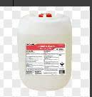 | Ecolab | 2 | 1.0 |  | 2
#REF! | NETTOCLAR RAPID – Hóa chất kết tinh sàn đá (crystal hóa sàn đá) | 2x5 Lt. Directly Amount to be decided later |  | Ecolab | 2 | 1.0 |  | 2
#REF! | SANIGARD – Nước tẩy bồn cầu | 3,8L Dilution: 333ml/Lt Amount to be decided later |  | Ecolab | 20 | 1.0 |  | 20
#REF! | MOP DRESSING A – Dầu tẩm cây lau bụi (dust mop) | 3.8 Lt. Directly Amount to be decided later | 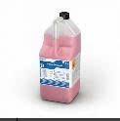 | Ecolab | 5 | 1.0 |  | 5
#REF! | DEEP GLOSS – Hóa chất đánh bóng đồ gỗ | 3.8 Lt. Directly Amount to be decided later |  | Ecolab | 5 | 1.0 |  | 5
#REF! | PARAFFIN – Hóa chất đánh bóng inox / thép không gỉ | 3.8 Lt. Directly Amount to be decided later |  | Ecolab | 2 | 1.0 |  | 2
#REF! | Ecobrite 100 – Bột giặt công nghiệp | 25 Kgs 3gr/1kg linen Amount to be decided later | 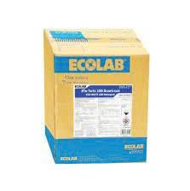 | Ecolab | 100 | 1.0 |  | 100
#REF! | PINNACLE MARBLE POLISH PASTE – Kem đánh bóng sàn đá marble | 10 Lbs Directly Amount to be decided later |  | Ecolab | 1 | 1.0 |  | 1

